1
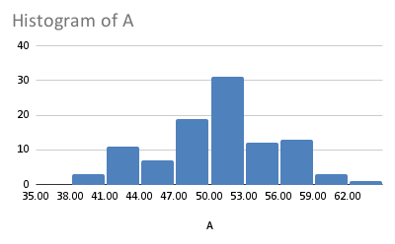
A | B | C | D | Left Skew | Multimodal | IQ20 | IQ100
48.91692627 | 67.22378463 | 55.91722454 | 45.56147084 | 23.1 | 37.63231845 | 120.4599506 | 93.04136766
47.69272613 | 68.17575119 | 30.17428817 | 47.82578299 | 18.2 | 49.2440007 | 107.4188638 | 93.80615767
48.6295795 | 61.75345147 | 43.64158289 | 59.6993701 | 14.6 | 37.78020312 | 95.00631199 | 135.3396811 | A |  | B |  | C |  | D
58.5440342 | 69.78350683 | 53.73874454 | 45.70463771 | 21.2 | 56.82720805 | 96.52219234 | 100.7726315 | Mean | 50.632133169 | Mean | 65.544513346 | Mean | 50.851333712 | Mean | 50.211539246
44.82133762 | 70.73015313 | 67.82965865 | 44.25441911 | 24.5 | 54.51373105 | 108.8785628 | 91.60005295 | Mode | #N/A | Mode | #N/A | Mode | #N/A | Mode | #N/A
47.69350376 | 63.00234503 | 58.79638621 | 58.9192731 | 24.9 | 47.87607008 | 108.4888005 | 105.9699206 | Median | 50.673710765 | Median | 65.89879689 | Median | 51.654882435 | Median | 49.72668474
43.95443412 | 54.45145111 | 63.02552416 | 44.08632902 | 27.4 | 48.75580259 | 109.3441483 | 93.86610357 | Variance | 25.635211032 | Variance | 25.861998691 | Variance | 235.38725402 | Variance | 27.339516361
52.84905452 | 67.45024762 | 45.8571806 | 71.2 | 21.7 | 42.0314317 | 133.448312 | 104.0067293
47.93471606 | 74.69042259 | 31.75870811 | 47.96776796 | 24.2 | 58.907958 | 84.48859793 | 110.1231941 | Left Skew |  | Multimodal |  | IQ20 |  | IQ100
63.53148348 | 75.70479869 | 23.78060675 | 48.36859682 | 20.6 | 58.40553368 | 83.67276316 | 128.9242546 | Mean | 20.107608696 | Mean | 59.734575562 | Mean | 102.13240094 | Mean | 102.9251791
49.80409903 | 62.66715596 | 56.91129067 | 49.70514156 | 13.3 | 44.53272975 | 80.0640046 | 105.9265378 | Mode | 23.1 | Mode | #N/A | Mode | #N/A | Mode | #N/A
52.18302422 | 72.93363403 | 71.12276718 | 53.59588674 | 19.1 | 50.77699653 | 104.1376035 | 130.3640239 | Median | 21.5 | Median | 60.60204069 | Median | 105.60840205 | Median | 101.42657545
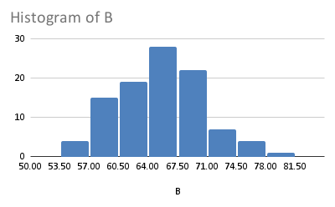
57.12192571 | 67.44786668 | 72.07142186 | 49.07043934 | 13.5 | 52.09775271 | 107.8453465 | 78.98145072 | Variance | 49.665985428 | Variance | 132.55309316 | Variance | 241.83118214 | Variance | 231.7575663
58.55795681 | 66.14472376 | 24.9178412 | 51.58984166 | 23.6 | 54.35052256 | 107.0792006 | 114.8257543
49.50904217 | 62.18142606 | 63.57365015 | 44.1635431 | 25.2 | 37.04629684 | 83.57814631 | 136.0818454
50.25086538 | 59.39578026 | 90.0952571 | 47.12019847 | 12 | 40.33327252 | 100.2759239 | 86.80008012
41.22497151 | 64.45195625 | 51.63517141 | 45.74516025 | 15.7 | 55.06650872 | 94.07930512 | 105.3521644
49.71333178 | 68.80033851 | 46.28566023 | 56.15540764 | 6.4 | 41.29593691 | 130.3990019 | 81.83603837
57.19246351 | 61.79506267 | 63.97931648 | 50.88596665 | 10.7 | 54.74535096 | 109.1760628 | 97.66727803
48.52334249 | 77.08041999 | 65.32865192 | 50.94882385 | 17.2 | 51.97636336 | 78.28492008 | 96.14406809
50.62539543 | 70.96476655 | 43.58881028 | 53.06276937 | 15.1 | 46.91490226 |  | 110.3656673
41.18047735 | 64.73907762 | 62.6236402 | 58.04579053 | 15.7 | 53.46559398 |  | 109.9317263
52.88313106 | 74.31263309 | 34.90633038 | 49.00832776 | 25.4 | 52.08045547 |  | 106.401438
58.7328011 | 66.20522802 | 51.67459346 | 51.14396536 | 22.4 | 49.60450594 |  | 100.7646007
46.90133854 | 66.92570395 | 54.55478721 | 41.79901165 | 26.9 | 42.22716596 |  | 98.37581616
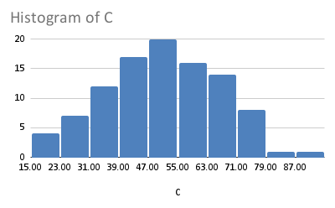
50.57113108 | 54.15037902 | 44.2252949 | 56.99334616 | 22.4 | 44.99025963 |  | 92.54325383
50.88966185 | 67.23760332 | 78.78126687 | 48.56992835 | 28.9 | 41.80558044 |  | 91.42152735
54.75772623 | 70.82354985 | 35.05538753 | 49.8209834 | 24.1 | 48.94743549 |  | 96.80065124
49.55857265 | 66.93263477 | 73.10022262 | 57.9600412 | 20.8 | 48.82103466 |  | 108.9185361
50.42985074 | 68.9503488 | 54.88758259 | 50.68004916 | 19.8 | 46.40477506 |  | 83.82286564
47.45481008 | 59.15625319 | 47.15174721 | 61.03088128 | 29.3 | 46.93987121 |  | 117.1476951
59.525883 | 68.32603504 | 33.36722454 | 46.19121408 | 26.2 | 46.73127785 |  | 100.0696981
53.82245052 | 75.12142782 | 72.52875602 | 42.13709772 | 29.5 | 55.23316001 |  | 91.33341101
50.74045437 | 73.12286376 | 78.94747234 | 45.89353136 | 25.7 | 50.34842477 |  | 69.76314586
51.02846505 | 59.29574254 | 57.57072554 | 55.30019268 | 28.3 | 49.55677201 |  | 121.2644817
53.27484671 | 61.13060111 | 52.03664403 | 46.74108491 | 18.2 | 56.83522777 |  | 99.31574101
50.47588688 | 61.60309952 | 64.65677406 | 47.39633448 | 29.9 | 52.20312686 |  | 93.60072674
53.24499598 | 67.21923386 | 54.11390653 | 49.57116889 | 20.8 | 39.4970332 |  | 101.2866371
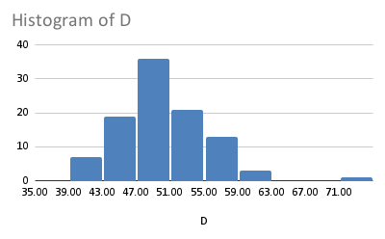
52.30703742 | 73.76044019 | 40.66639857 | 48.54250677 | 26.6 | 50.04266912 |  | 119.5417634
50.37742445 | 67.86747375 | 78.60382162 | 49.68202636 | 27.5 | 51.11048984 |  | 113.9704501
50.21869293 | 64.04983525 | 49.68545454 | 49.60177637 | 25.3 | 45.44366555 |  | 117.0692898
48.0452206 | 60.43975657 | 22.76823942 | 57.3004957 | 28.9 | 45.59240264 |  | 117.5501443
55.68883691 | 62.56469739 | 69.04252318 | 45.09296599 | 17.2 | 52.80596244 |  | 108.1205832
51.91123419 | 66.32408365 | 51.88121564 | 49.47022261 | 26.4 | 45.84677986 |  | 87.30436974
58.25480756 | 66.26649962 | 42.43766647 | 51.12 | 24.1 | 48.18120109 |  | 74.06601766
51.22125169 | 63.81976327 | 60.86984072 | 43.21256727 | 27.7 | 44.47051546 |  | 103.3621163
41.6006993 | 61.82735528 | 68.67111001 | 56.31117799 | 12.1 | 48.13837074 |  | 99.06373265
59.63077896 | 63.45216311 | 15.38170158 | 54.78020245 | 19.1 | 47.51007099 |  | 105.4905897
58.36562045 | 58.43679339 | 43.47036399 | 50.16305844 | 10.6 | 55.70854138 |  | 74.47901081
50.04916919 | 60.43859987 | 42.06420102 | 48.98601564 | 21.9 | 60.36886701 |  | 112.2587187
43.19497156 | 66.2318829 | 52.73504807 | 56.71351444 | 7.3 | 33.55581455 |  | 126.9645854
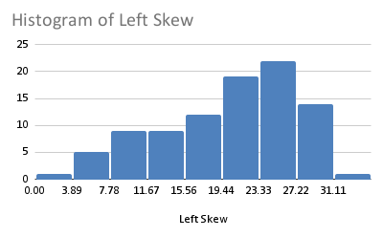
60.78054447 | 67.60003676 | 44.06753533 | 54.43621434 | 13.4 | 48.0543494 |  | 107.4724671
47.99373716 | 71.10445525 | 72.53323494 | 46.88973158 | 1 | 43.77964281 |  | 90.41067676
50.49071735 | 58.58310994 | 59.65714315 | 39.08123118 | 8.1 | 52.41598068 |  | 106.5595477
54.69073694 | 66.93464241 | 49.88801027 | 50.03235872 | 4.8 | 46.74374844 |  | 95.93741338
53.41455111 | 60.44802236 | 26.25786222 | 46.15391424 | 10.3 | 50.91041346 |  | 114.8392515
43.54734554 | 67.97116043 | 57.84079634 | 53.88641491 | 9 | 58.29388076 |  | 92.11959237
44.019079 | 69.78574 | 54.59271758 | 50.94619208 | 23.7 | 49.03565842 |  | 91.98478956
45.55396881 | 60.66513565 | 36.95801711 | 51.10755202 | 11.1 | 43.96255234 |  | 107.9648954
42.9331645 | 64.83160933 | 35.05781453 | 54.94479244 | 22.9 | 46.71776881 |  | 138.8719334
43.33115616 | 63.56784751 | 43.30866985 | 50.27062777 | 6.2 | 57.90576675 |  | 86.95868031
52.12413964 | 72.11989351 | 35.58091706 | 53.66531388 | 21.3 | 42.46551352 |  | 114.682301
55.98278941 | 60.51471425 | 57.04194522 | 56.22048372 | 9.4 | 48.8072101 |  | 104.328039
49.31695398 | 63.12063341 | 59.26226744 | 44.06111539 | 11.1 | 59.76455181 |  | 116.8856897
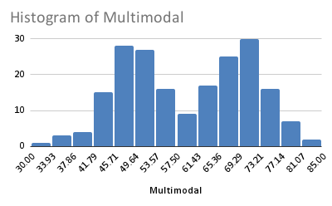
56.02378399 | 56.37506734 | 29.28902572 | 49.74822792 | 10.7 | 53.28154579 |  | 130.1046957
53.81949941 | 68.89079989 | 64.76275942 | 49.33898654 | 14 | 49.3973789 |  | 127.6970624
51.0756709 | 64.80283909 | 66.08121999 | 58.9668097 | 6.5 | 49.84821458 |  | 79.79359135
40.20631751 | 54.14250963 | 19.28456471 | 51.78050707 | 20.6 | 51.09617293 |  | 99.48266563
39.93544971 | 70.61884664 | 42.22976148 | 51.05045358 | 19.7 | 45.83113544 |  | 77.73224563
43.24979431 | 67.85482125 | 49.85100828 | 42.87269694 | 14.8 | 56.2297454 |  | 107.2261868
43.93975935 | 63.62608724 | 33.6721015 | 42.12752905 | 27.4 | 41.16886061 |  | 118.30791
49.54742148 | 60.20874527 | 47.44668654 | 51.36400553 | 22.5 | 48.4232222 |  | 115.8935716
49.44206491 | 80.18472977 | 56.10818389 | 50.54384378 | 24.4 | 45.61328416 |  | 101.5665138
40.62325538 | 64.44479557 | 45.28650731 | 54.94357849 | 16.8 | 45.16276194 |  | 123.9922933
52.363332 | 69.06411995 | 38.04275938 | 45.2430489 | 20.1 | 50.47094497 |  | 92.02915439
54.64070448 | 69.35113687 | 35.06251926 | 47.16287343 | 16.8 | 50.00320647 |  | 85.12240691
47.37974553 | 60.05387369 | 50.16552788 | 51.43942268 | 26 | 54.61980167 |  | 83.5016641
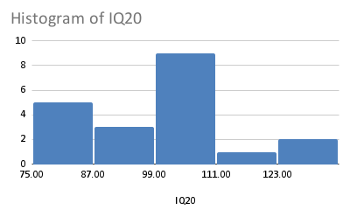
42.4828657 | 68.88563825 | 60.05331074 | 50.82037043 | 27.6 | 53.82662008 |  | 91.54791665
52.76710794 | 67.91061058 | 82.77653409 | 46.66431628 | 25.9 | 45.18170582 |  | 100.7445826
50.69104633 | 62.89188985 | 31.56712598 | 48.73697508 | 29.7 | 51.70984993 |  | 102.6984415
56.28214344 | 66.00543217 | 69.99301195 | 47.79336062 | 26.5 | 48.6335707 |  | 105.3845233
44.53619512 | 62.04272347 | 67.02617608 | 49.22005232 | 27.7 | 51.10277892 |  | 87.491479
54.72783121 | 65.62041351 | 25.98453173 | 57.10218641 | 18.3 | 46.77549568 |  | 99.42556891
53.88994265 | 59.8208527 | 48.9383093 | 46.38415996 | 28.7 | 49.31547957 |  | 119.1316247
52.06677844 | 64.00720317 | 30.3316622 | 48.75064898 | 31.4 | 62.59517193 |  | 87.65984018
50.6563752 | 64.02324565 | 56.39684503 | 50.15499896 | 23.1 | 44.48287549 |  | 93.83403077
51.68661266 | 58.27407649 | 43.37280114 | 53.90186563 | 22.5 | 50.46697904 |  | 99.87111033
56.38723417 | 65.96525588 | 38.31503639 | 43.20774418 | 23.7 | 55.98944799 |  | 106.2665513
51.48020433 | 59.48039019 | 44.77405064 | 49.5015459 | 26.9 | 52.51163283 |  | 82.47681952
51.30023402 | 65.8323379 | 63.08500145 | 56.59381302 | 16.7 | 56.117727 |  | 81.4898
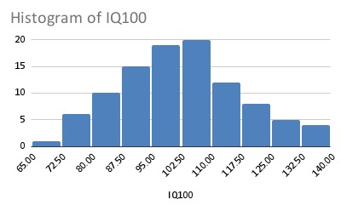
45.89975483 | 66.47951925 | 58.87616791 | 48.78393103 | 26.4 | 52.63179692 |  | 79.2570577
51.56117979 | 63.75432233 | 63.96409568 | 47.56428844 | 21 | 49.46731136 |  | 107.0848121
47.43624023 | 69.67659249 | 43.79541178 | 40.14693581 |  | 51.57879648 |  | 123.8138188
56.15608227 | 65.1812397 | 20.69839991 | 51.7115515 |  | 46.57303387 |  | 107.9205054
52.50970723 | 58.79485778 | 58.31292421 | 52.13186242 |  | 55.51030604 |  | 98.47034356
48.67227132 | 64.75215528 | 44.85039267 | 39.39404948 |  | 56.51722674 |  | 95.6711792
45.66745661 | 60.04080423 | 53.65920056 | 45.67025333 |  | 49.99678484 |  | 117.6207069
56.79835198 | 70.79701472 | 55.7583735 | 52.1341152 |  | 53.52596239 |  | 137.44889
56.68149157 | 71.04166516 | 49.70928005 | 60.53177635 |  | 52.13133504 |  | 114.2529544
50.83808477 | 68.74691828 | 51.07548785 | 51.08489209 |  | 51.7133866 |  | 97.69178891
 |  |  |  |  | 77.88842263
 |  |  |  |  | 71.59320999
 |  |  |  |  | 65.9541027
 |  |  |  |  | 76.46293729
 |  |  |  |  | 61.14294817
 |  |  |  |  | 66.238517
 |  |  |  |  | 66.69120456
 |  |  |  |  | 81.92953533
 |  |  |  |  | 70.73623453
 |  |  |  |  | 69.43553964
 |  |  |  |  | 78.9478503
 |  |  |  |  | 63.58544948
 |  |  |  |  | 70.48254331
 |  |  |  |  | 64.48252954
 |  |  |  |  | 68.4123327
 |  |  |  |  | 63.26183007
 |  |  |  |  | 64.86673304
 |  |  |  |  | 61.14520271
 |  |  |  |  | 76.5234451
 |  |  |  |  | 70.95338108
 |  |  |  |  | 71.78301801
 |  |  |  |  | 63.63181526
 |  |  |  |  | 68.39461665
 |  |  |  |  | 71.74381423
 |  |  |  |  | 70.00009694
 |  |  |  |  | 75.12199041
 |  |  |  |  | 63.65507253
 |  |  |  |  | 72.53489692
 |  |  |  |  | 67.90648239
 |  |  |  |  | 73.13794751
 |  |  |  |  | 72.33465619
 |  |  |  |  | 70.62328893
 |  |  |  |  | 69.47031821
 |  |  |  |  | 65.12997591
 |  |  |  |  | 60.83521437
 |  |  |  |  | 79.5308885
 |  |  |  |  | 66.58398901
 |  |  |  |  | 78.33246351
 |  |  |  |  | 67.07685875
 |  |  |  |  | 69.30625163
 |  |  |  |  | 66.675811
 |  |  |  |  | 65.58288977
 |  |  |  |  | 67.8630178
 |  |  |  |  | 78.54614127
 |  |  |  |  | 80.33828522
 |  |  |  |  | 77.05824096
 |  |  |  |  | 68.45420071
 |  |  |  |  | 75.86340181
 |  |  |  |  | 62.99285487
 |  |  |  |  | 62.16891246
 |  |  |  |  | 65.52279363
 |  |  |  |  | 72.45883082
 |  |  |  |  | 69.98895413
 |  |  |  |  | 68.31521345
 |  |  |  |  | 65.93683614
 |  |  |  |  | 81.81762969
 |  |  |  |  | 71.13131506
 |  |  |  |  | 69.07675128
 |  |  |  |  | 67.34333183
 |  |  |  |  | 62.17410556
 |  |  |  |  | 70.60665961
 |  |  |  |  | 67.9420834
 |  |  |  |  | 73.87500067
 |  |  |  |  | 67.91593862
 |  |  |  |  | 68.32667221
 |  |  |  |  | 63.90526496
 |  |  |  |  | 72.26974791
 |  |  |  |  | 74.98342218
 |  |  |  |  | 69.46110276
 |  |  |  |  | 73.92590818
 |  |  |  |  | 71.81387132
 |  |  |  |  | 64.80509647
 |  |  |  |  | 68.85542241
 |  |  |  |  | 75.39482405
 |  |  |  |  | 79.69026224
 |  |  |  |  | 63.35868785
 |  |  |  |  | 70.71987345
 |  |  |  |  | 56.55560578
 |  |  |  |  | 74.66298722
 |  |  |  |  | 71.35487941
 |  |  |  |  | 70.7466439
 |  |  |  |  | 72.93904863
 |  |  |  |  | 68.19507457
 |  |  |  |  | 63.63049655
 |  |  |  |  | 74.04408447
 |  |  |  |  | 64.23120107
 |  |  |  |  | 66.48618946
 |  |  |  |  | 65.0201707
 |  |  |  |  | 69.50124647
 |  |  |  |  | 70.76146034
 |  |  |  |  | 75.4516507
 |  |  |  |  | 70.28055353
 |  |  |  |  | 69.58081021
 |  |  |  |  | 73.3247732
 |  |  |  |  | 68.75635153
 |  |  |  |  | 76.28786884
 |  |  |  |  | 66.10911211
 |  |  |  |  | 74.98810575
 |  |  |  |  | 74.20965276
 |  |  |  |  | 70.83365529

